Sheet1
steps | description
1 | turn on the robot
2 | press L2+A and press L2+B

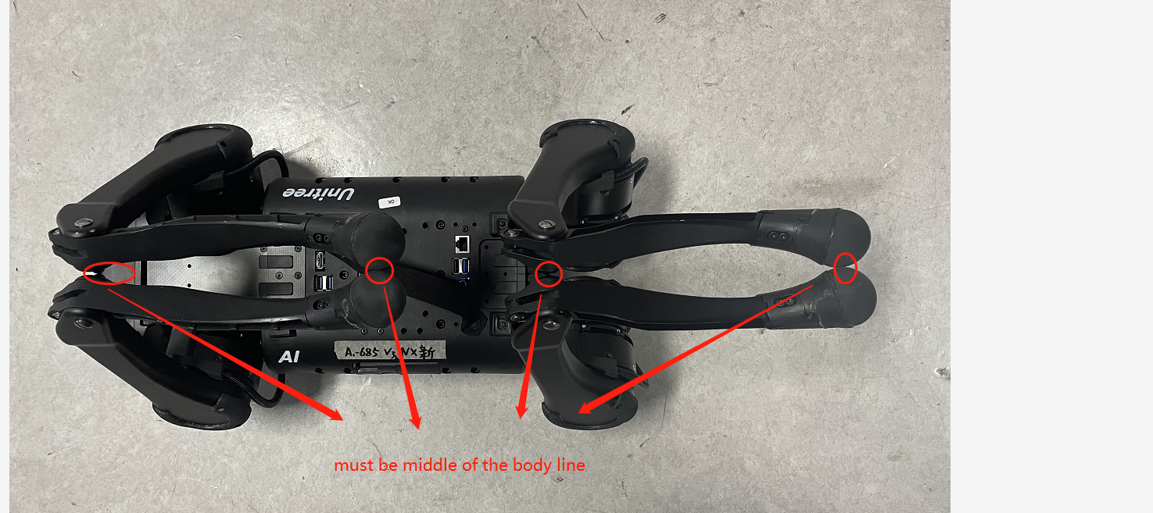
3 | Keep the robot dog joint in the position on the right picture

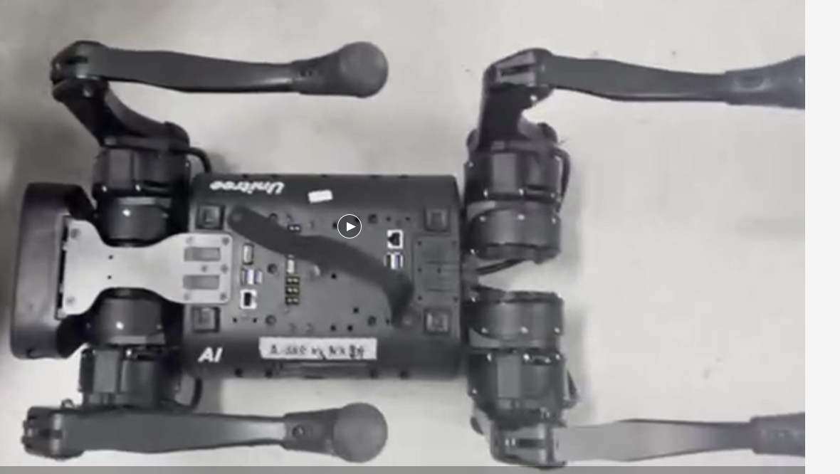
4 | press L2+R2, the robot leg will look like right picture

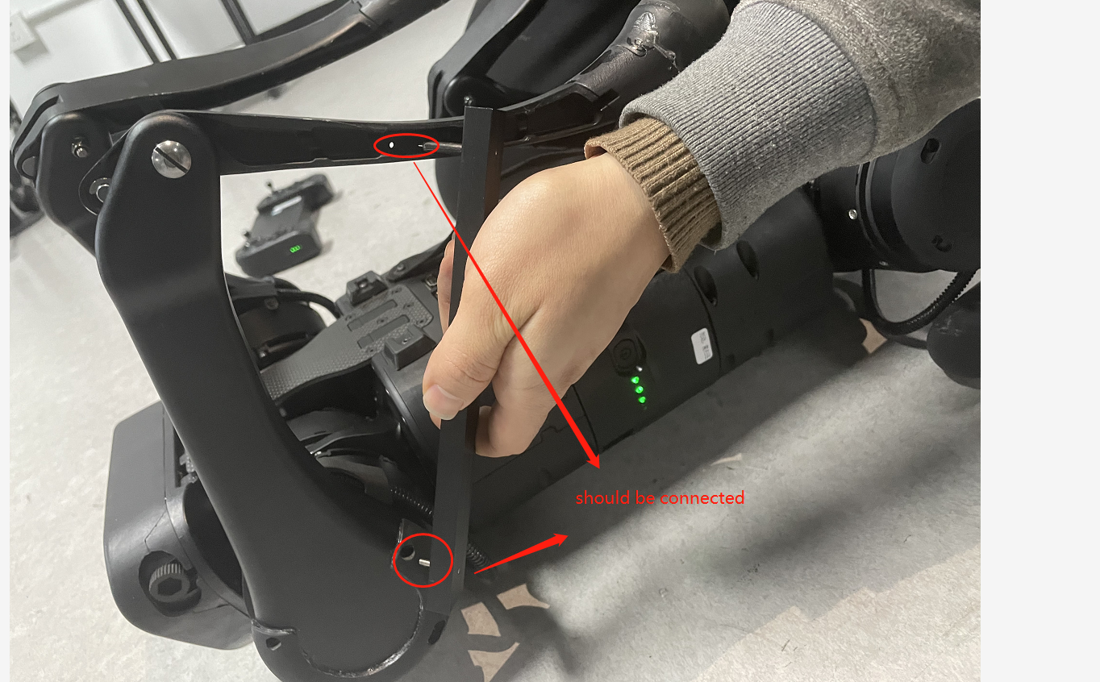
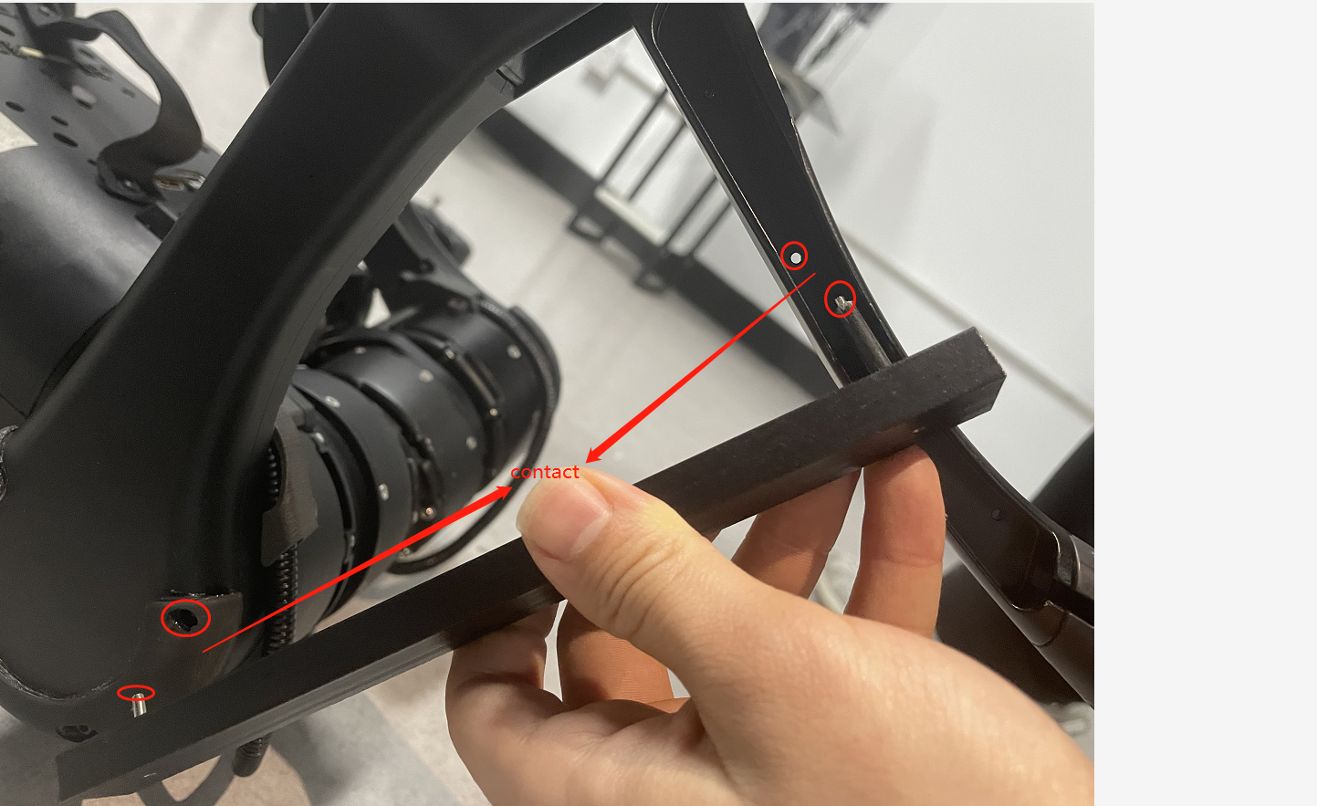
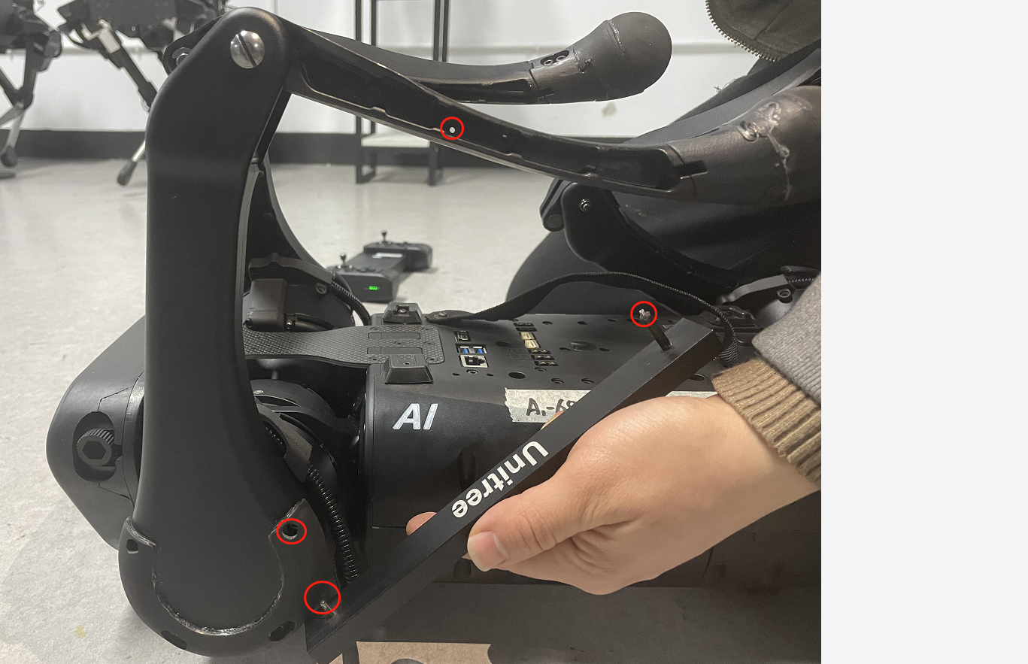
5 | Calibrate the robot like in the video shows

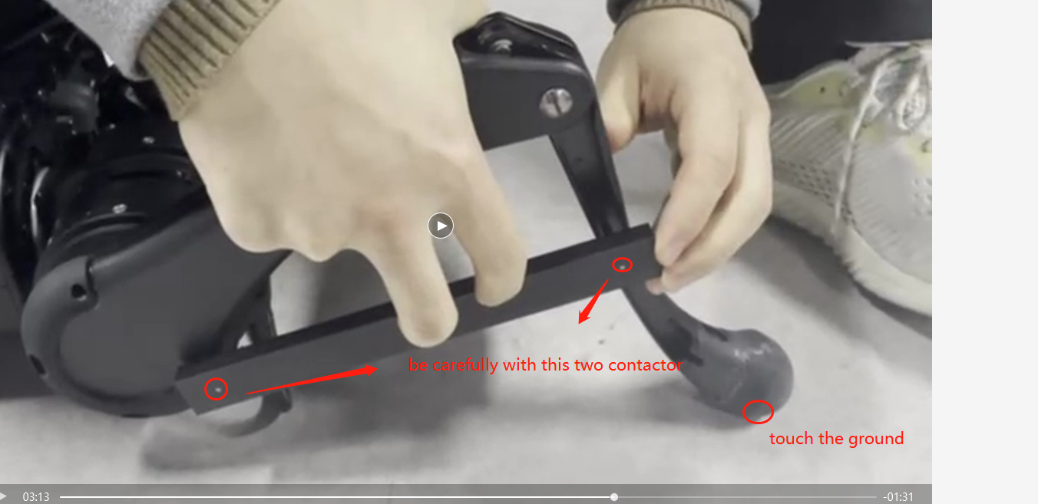
6 | Calibrate the robot like in the video shows

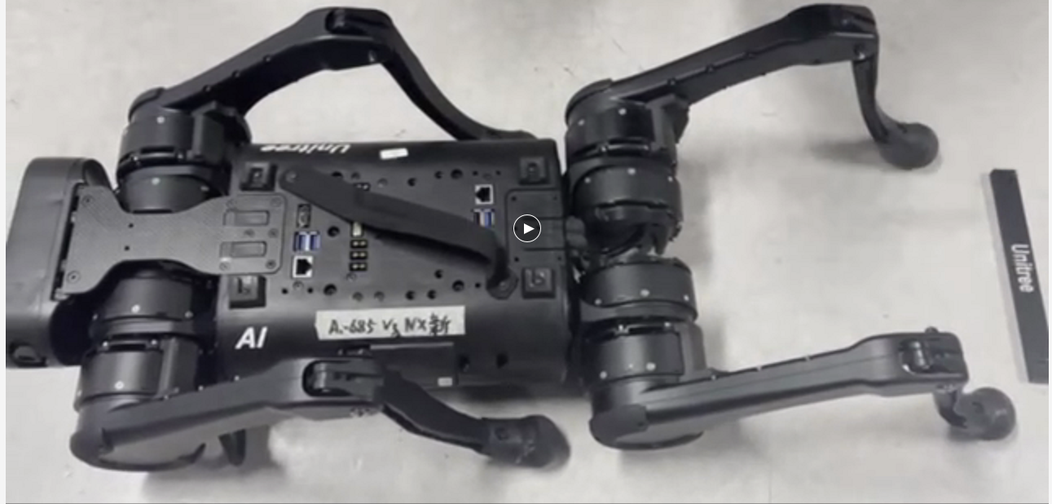
7 | when you finished the calibrate, the robot should be look like right picture, than, press L2+L1*twice L2+R1*twice L1+R1+R2*once. until now, you should hear the join voice is lower.

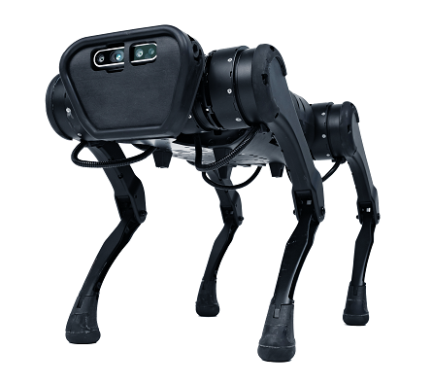
8 | Restart the robot and play with him.

